1. Title Page
[Project Name]

Project Name: Shopping Analysis
Date: 15/07/2024
Analyst Name: Vinh Dao

Contents:
Population Flow
Consistency checks
Wrangling steps
Column derivations
Visualizations
Recommendations

2. Population Flow
Title page

Population flow

Exclusion flag
Condition: max_order <
Obervations to be removed:
Final total count of order_products_all:

Orders_products_combined
Orders_products_merged
Orders_products_all

Total:
Total:
Total:

1.) The grey boxes in the first row of the population flow represent the original data sets as they were when you downloaded them. In the Total fields you need to add the count of the rows when you imported the data set into Jupyter.
2.) The second row of boxes (coloured) represents the data sets after you manipulated them, e.g., removed missing values and duplicates. In the Total fields you need to add the count of the rows after conducting these operations. This offers a visual oveview of how the data flows throughout the data consistency checks.
3.) The third row, where also the arrows are coloured, represents the merges you performed between the datasets. In the Total fields you need to add the count of the rows in the merged datasets, so that you end up with the final dataset (in the red box). Keep in mind the final dataset should be without exclusions (based on the exclusion flag).

3. Consistency checks
 |  |  |  | Title page
Consistency checks

Dataset | Missing values | Missing values treatment | Duplicates
orders | 206,209 - in "days_since_prior_order" | Impute the value with 0 since these were first orders of customers | 0 rows removed
products | 16 - in "product_name" | Removed | 16 rows removed
orders_products_prior | n/a | n/a | n/a
customers | n/a | n/a | n/a

4. Wrangling steps
 |  |  |  | Title page
Wrangling steps

Columns dropped | Columns renamed | Columns' type changed | Comment/Reason
"eval_set" |  |  | Unnecessary to analysis (Ex 4.4)
 | "order_dow" |  | Because "orders_day_of_week" was considered easier to interpret
 | "Gender" |  | For consistency in format (Ex 4.9)
 | "STATE" |  | For consistency in format (Ex 4.9)
 | "Age" |  | For consistency in format (Ex 4.9)
 | "_merge" |  | Unnecessary to analysis
 | "price_range_loc" |  | Unnecessary to analysis

5. Column derivations
 |  |  |  | Title page

Column derivations and aggregations

In this tab you should add tables below that the frequences of flags/label variables that you produced after deriving them. NB: don't do this for continuous variables, only for flags.
Dataset | New column | Column/s it was derived from | Conditions
orders_checked | first_order | days_since_prior_order | ["days_since_prior_order"].isnull() True (206,209) False (3,214,874)
orders products merged | price_range | prices | High-range product (412,551): "prices" > 15 Mid-range product (21,860,860): 5 < "prices" <=15 Low-range product (10,126,321): "prices" <= 5
df_final | region | state | Northeast (5,721,892): "State" isin ['Maine', 'New Hampshire', 'Vermont', 'Massachusetts', 'Rhode Island', 'Connecticut', 'New York', 'Pennsylvania', 'New Jersey'] Midwest (7,596,065): "State" isin ['Wisconsin', 'Michigan', 'Illinois', 'Indiana', 'Ohio', 'North Dakota', 'South Dakota', 'Nebraska', 'Kansas', 'Minnesota', 'Iowa', 'Missouri'] West (8,291,679): "State" isin ['Idaho', 'Montana', 'Wyoming', 'Nevada', 'Utah', 'Colorado', 'Arizona', 'New Mexico', 'Alaska', 'Washington', 'Oregon', 'California', 'Hawaii'] South (10,790,096): "State" isin ['Delaware', 'Maryland', 'District of Columbia', 'Virginia', 'West Virginia', 'North Carolina', 'South Carolina', 'Georgia', 'Florida', 'Kentucky', 'Tennessee', 'Mississippi', 'Alabama', 'Oklahoma', 'Texas', 'Arkansas', 'Louisiana']
df_final | age_group | age | Middle-aged Adult (31-59) = 14085820 Senior (>=60) = 10574504 Young Adult (<=30) = 6304240
df_final | income_group | income | Upper-Middle income(100,000-200,000) 11024030 Middle income(50,000-100,000) 10605133 Lower-Middle income(30,000-50,000) 2449087 High income(<200,000) 210958 Low income(>30,000) 147583
ords_prods_all | frequency_flag | median_days_between_orders (which was derived from user_id & days_since_prior_order) | Frequent customer (21,556,644): "median_days_between_orders" <= 10 Regular customer (7,207,340): 10 < "median_days_between_orders" <= 20 Non-frequent customer (3,635,743): "median_days_between_orders" > 20
ords_prods_merge | spender_flag | user_mean_product_price (which was derived from user_id & prices) | Low spender (32,280,013): "user_mean_product_price" < 10 High spender (119,719): "user_mean_product_price" >= 10
ords_prods_merge | loyalty_flag | max_order (which was derived from user_id & order_number) | Loyal customer (10,282,763): "max_order" > 40 Regular customer (15,874,128): 10 < "max_order" <= 40 New customer (6,242,841): "max_order" <= 10
df_final | age_group | age | Middle-age (35<y<65) 11832977 Young (<35) 6506370 Senior (65<y<80) 5715582 Elderly (<80) 381862

6. Visualizations
 |  | Title page

Visualisations

In this tab you should include all the visualtions from Exercises 4.9 and 4.10, alongside the questions from the project brief that they answer. Include any commentary on the relationship between different variables.

The sales team needs to know what the busiest days of the week and hours of the day are (i.e., the days and times with the most orders) in order to schedule ads at times when there are fewer orders.

Saturday and Sunday are two busiest days of week | Customer age distribution for making order |  | The busiest time will be from 10AM to 4PM |  | Customer distribution during the day
They also want to know whether there are particular times of the day when people spend the most money, as this might inform the type of products they advertise at these times

The chart show that from 2AM to 3AM is the highest spending of a day
Are there certain types of products that are more popular than others? The marketing and sales teams want to know which departments have the highest frequency of product orders.

Fresh foods are the most popular category, accounting for the highest frequency of orders across all age groups. Middle-aged customers, in particular, are the largest group purchasing fresh foods, followed by senior and young customers. Quick meals and snacks are the second most popular category, with a noticeable preference among senior and young customers. This highlights a trend towards convenient and ready-to-eat options in these age groups. Beverages, pantry essentials, and personal care & household items also show significant order frequencies, but to a lesser extent compared to fresh foods and quick meals & snacks. Each of these categories demonstrates a balanced distribution across the different age groups. Specialty items and children's products have lower frequencies but are still relevant, particularly among young and middle-aged customers, respectively.

Are there differences in ordering habits based on a customer’s loyalty status?

Frequent customers place orders more than twice as much as regular customers and significantly more than non-frequent customers. This suggests that frequent customers are highly engaged and have a consistent purchasing pattern, which is a key insight for targeted marketing strategies and loyalty programs.

Are there differences in ordering habits based on a customer’s region?

Middle-aged customers have the highest spending across all regions. The South and West regions have the highest spending, indicating a larger customer base or higher frequency of purchases in these areas. The Midwest and Northeast regions show a significant amount of spending by young and senior customers. | Low spenders constitute the majority across all regions, indicating a large customer base making frequent but low-value purchases. High spenders are a small percentage but can be critical for targeted marketing strategies. |  | Frequent customers dominate the ordering frequency in all regions, particularly in the South and West. The Midwest and Northeast have a lower overall ordering frequency compared to the South and West. | Low spenders constitute the majority across all regions, indicating a large customer base making frequent but low-value purchases. High spenders are a small percentage but can be critical for targeted marketing strategies.

Is there a connection between age and income?

 | The scatter plot demonstrates that there is a connection between age and income. As age increases, there is a noticeable concentration of higher income levels, indicating that older customers tend to have higher spending power. This trend is especially pronounced in the 30 to 60 age range, where income levels are more dispersed and generally higher.

Is there a connection between income and number of dependants?

 | there is no clear connection between age and the number of dependents. The number of dependents fluctuates without a discernible pattern across different age groups, indicating that age does not have a strong influence on the number of dependents for these customers.

7. Recommendations
 |  |  | Title page

Recommendations

In this tab you should include any recommendations you would made to Instcart in terms of their marketing strategy based on the questions posed in the brief. Every key question has been covered in the Tasks of the Exercises - here you need to add an item - a visualisation or table/crosstable that is showing the answer in the data, acompanied by a comment from you. Please, list the questions below and add the answer underneath.

Question |  | Answer
Key Question 1: what the busiest days of the week and hours of a day are?"What are distribution of customers by age in different date of the weeks and different time in a days? - The dominance group shopping at Instacart are the middle age group - Peak time shopping is from 8AM to 4PM, with the most shopping day is Saturday and Sunday - Elderly has the least purchasing amount in all group. - Middle age group are the highest ordering per day at Instacart | 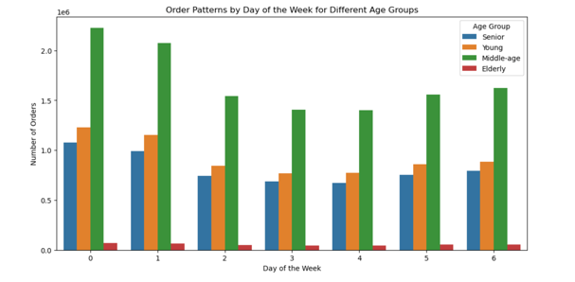 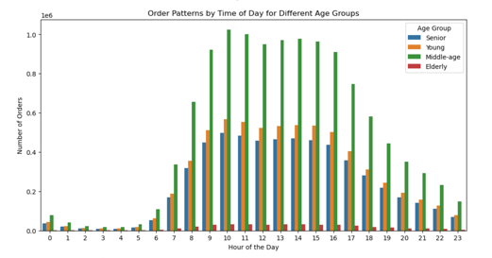  
Key Question 2: Particular times of the day when people spend the most money? People spend the most money during the hours of 8am to 4pm. 9 am is when people spend the most money.
Key Question 3: What’s the distribution among users in regards to their brand loyalty (i.e., how often do they return to Instacart)? - Frequent customers dominate ordering frequency across all regions. - The South region has the highest number of orders, with Low Spenders being the majority across all regions. - Middle-age customers have the highest spending across all regions, particularly in the Midwest. - Brand loyalty is high among frequent customers, who constitute the largest segment in terms of order volume. | 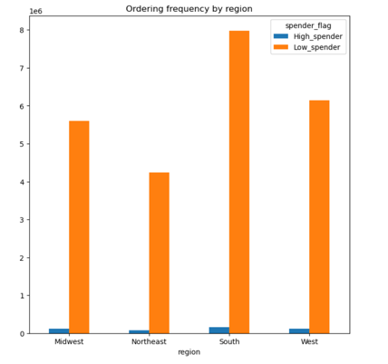 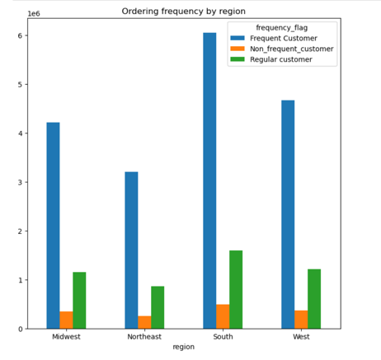 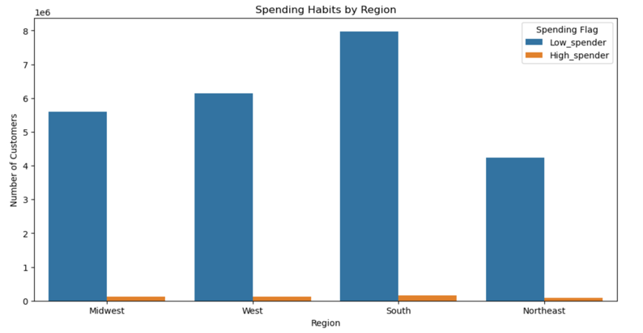
Key Question 4: Are there differences in ordering habits based on a customer’s region? - The South region has the highest number of customers, predominantly young and middle-aged individuals. - Across all regions, middle-aged customers account for the highest spending, followed by young customers. - Frequent customers dominate the ordering frequency in all regions, with the South region having the highest number of orders from frequent customers. - Low spenders constitute the majority of orders in all regions, with the South region having the highest number of orders from low spenders.
Key Question 5: What differences can you find in ordering habits of different customer profiles? - Price Sensitivity: High spenders generally order more expensive items compared to low spenders (Please reference to graph on the right). This trend is consistent across different regions, with high spenders contributing to a larger share of the total revenue despite being fewer in number. - Order Frequency: Frequent customers tend to place more orders compared to regular and non-frequent customers. This behavior is especially notable in regions like the South and Midwest, where frequent customers dominate the ordering landscape. - Product Preferences: There are distinct preferences for certain product categories among different age groups. For example, middle-aged customers prefer fresh foods and quick meals, while elderly customers show a higher tendency to purchase personal care | 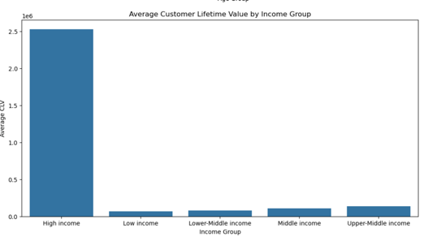 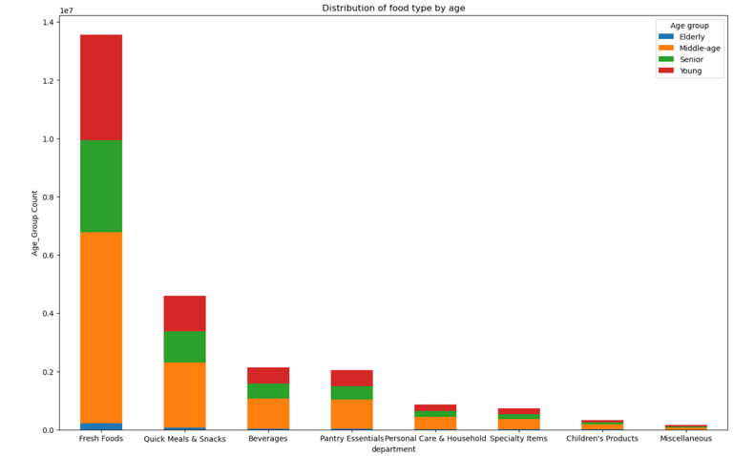
Key Question 6: Is there a connection between age and ordering habits? ordering frquency is high by middle-aged adults between 31-59 followed by seniors in the age hroup of above 60. Understandably, young adults do not order so frequently. One reason could be that young adults could go shopping offline, eat outside more frequently and hunt for sales around cities."
Key Question 7: What different classifications does the demographic information suggest? Age? Income? Certain types of goods? Family status? - Age: Customers are categorized into groups such as "Young," "Middle-age," and "Senior." Each age group shows distinct purchasing patterns and preferences. - Income: Different income levels, like low, middle, and high income, influence spending habits and types of products purchased. - Family Status: The number of dependents impacts the type and volume of goods purchased, with families buying more groceries and household items. - Order Frequency and Loyalty: Classifications based on how frequently customers place orders and their loyalty status, as loyal customers tend to have different shopping behaviors compared to less frequent customers.

